User_Story
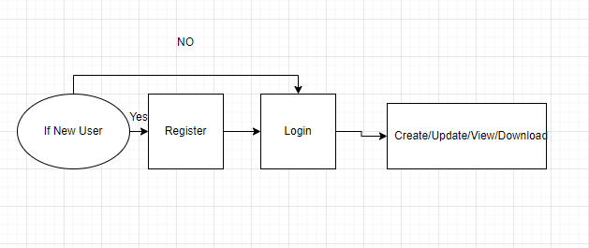
 |  |  | Team Genesis - Profile Management Project

 |  |  | User Stories

User story id | User | S.no | Action | Benefits | Acceptance criteria | Assumptions | Constraints
1 | Profile Creator | 1 | As a profile creator, I should be able to login(reused) | So I can enter the home page | System login needs user credentials The credientials must be given by HR partners Credentials must be correct It sholud navigate to home page | Login page has two users credentials(Username, Password) If he/she enters wrong credentials,they can't enter the system Landing page is common for all users
 |  | 2 | As a profile creator, I should be able to create my profile | So I and other users can view my profile | User has to fill all the mandatory fields(Personal details,Education details,Project Details,Skills,Awards and Certificates) | It is not mandatory to create profile The user gives the experience between the ranges. Experience range in filter is fixed as 5years range The Date of Joining and Break Duration to calculate the experience of user. | User should have the access to view the profile Master table to have a specific data for profile filters such as Project,Role,Domain The user want to get the approval to add additional data in master table.
 |  | 3 | As a profile creator, I should be able to update my profile | So I and others can see the updated profile |  | Status of approval should be shown by the user Others can request to update profile | User should have the access to update the profile Updated profile must be viewed in organisation's template
 |  | 4 | As a profile creator, I should be able to export my profile | So I and others can export my profile | I should able to download and view the profile in organisation's template | Exported profile should be in organization's template
 |  | 5 | As a profile creator, I should be able to share my profile | So i can share my profile to anyone | I can share my profile to anyone through e-mail only when share feature is given |  | User should have the access to export the profile
 |  | 6 | As a profile creator, I should be able to logout | So I can exit from the system
 |  | 7 | As a profile creator, I should be able to request Admin to Update Master data required to fill details

2 | Profile Searcher | 1 | As a profile searcher, I should be able to login(reused) | So I can enter the home page
 |  | 2 | As a profile searcher, I should be able to search and view profiles of employees under me | So I can view the particular profiles based on the filters applied |  | The admin assign the mapping of roles with respective lower hierarchy. Filter to show the limited profile. | Heirarchy mapping to show the result of lower profile
 |  | 3 | As a profile seracher, I should be able to request for updation of profile when it isn't updated for 3months | So I can get an updated profile | I should be able to see the request update button if it exceeds 3 months |  | The user request to update the profile of lower employees. In Profile,the last updated date is mandatory to check the due date of updation. Request to Update button will be enabled only when profile update duration exceeds 3months
 |  | 4 | As a profile seracher, I should be able to export the profile of person I've searched | So I can have a copy of the required person's profile | I should able to export and view the profile in organisation's template
 |  | 5 | As a profile seracher, I should be able to apply different filters while searching(Experience,College,Role,Domain,Technology) | So it makes the search easier | I can view the particular profile
 |  | 6 | As a profile seracher, I should be able to view previously updated profile | So I can see the versioning of profile | History of updated profiles should be available in the system.
 |  | 7 | As a profile seracher, I should be able to share my profile | So i can send my profile to anyone | I can share my profile to anyone through e-mail only when share feature is given
 |  | 8 | As a profile seracher, I should be able to approve user's profile(reporting user) | So others can see the approved profiles
 |  | 9 | As a profile seracher, I should be able to reject user's profile(reporting user) | So the user rectify the corrections in his/her profile
 |  | 10 | As a profile seracher, I should be able to logout(reused) to | So I can exit form the system

3 | Admin | 1 | As a admin, I should be able to login(reused) | So I can enter the home page
 |  | 2 | As a admin, I should be able to permit/deny access to user to see others profile | So I can maintain the hierarchy based profile access | Admin should have the privilege to add or change the master data(Designation,College,Experience,Technology) |  | The admin has to verify the values of users.
 |  | 3 | As a admin, I should be able to view/update master data | So I can maintain the data upto date | I should able to assign HR for user registeration
 |  | 4 | As a admin, I should be able to add HR Partner | So they will register new user
 |  | 5 | As a admin, I should be able to view/delete user | So I can maintain user list
 |  | 6 | As a admin, I should be able to logout(reused) | So I can exit form the system

4 | HR Partner | 1 | As a HR partner, I should be able to login(reused) | So I can enter the home page | I should fill all the mandatory fields while registering new user (Name,E-mail id,Phonenumber,Department,Designation,Password)
 |  | 2 | As a HR partner, I should be able to register new user | So user can enter the system | I should able to assign reporting person
 |  | 3 | As a HR partner, I should be able to assign reporting person to user | So I can see the genuine profiles approved by reporting person
 |  | 4 | As a HR partner, I should be able to edit user details when requested by user | So I can make changes in user details based on user needs
 |  | 5 | As a HR partner, I should be able to logout(reused) | So I can exit form the system

Entity
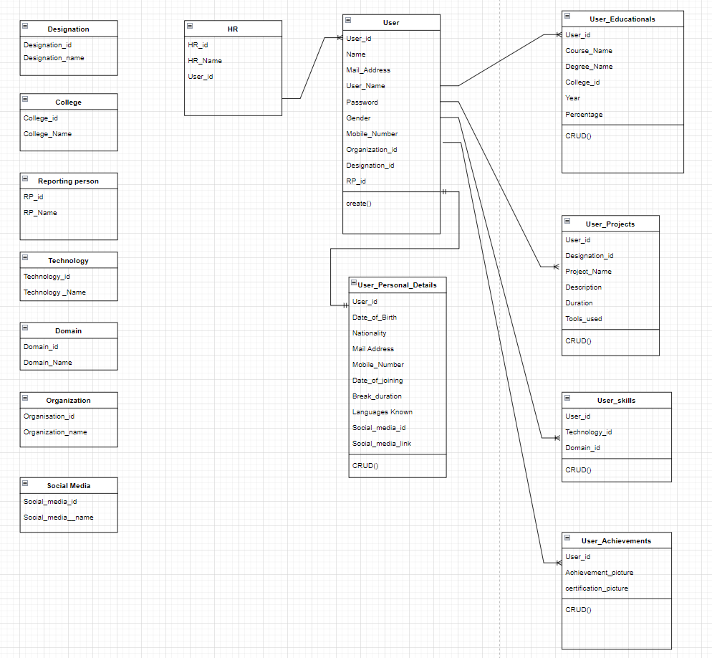
Entity model

Updated_Entity
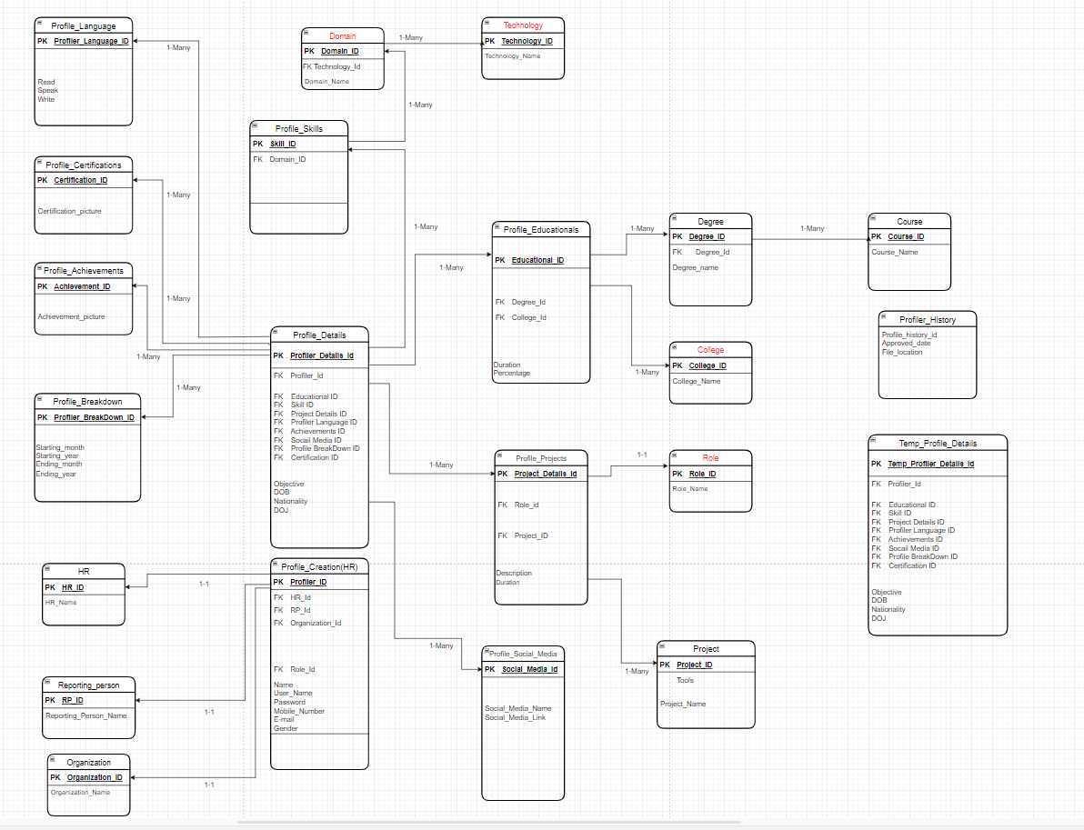

Work_flow
 |  | Work Flow

Profile Creator

 | Profile create

Register
Login
Create
Logout
View

 | Profile view

Login
View
Logout

 | Profile Update

View
Logout
Login
View
Update

 | Profile Download

Logout
Login
View
Download

Profile Searcher

 | Profile view

Register
Login
Search Profile
Filter
Select Profile
Profile View
Logout

 | Profile Download
Login
Select Profile
Profile View
Download
Logout
Search Profile
Filter

 | Request to update profile

Search
Filters
Select Profile
View
Request to update
Logout
Login

CREATOR
ADMIN
HR PARTNER

SEARCHER
LOGIN
LOGIN
LOGIN

If the user login's first time
ADMIN DASHBOARD
REGISTER NEW USER

CHANGE PASSWORD
LOGIN

If its a first visit after changing password
If its a daily visit

CREATE PROFILE
SEARCH PROFILE(S)
USING FILTERS
DASHBOARD
LIST OF USERS
MASTER DATA
SEND NOTIFICATION TO USER
ADD HR PARTNER

CREATE
UPDATE
VIEW
VIEW PROFILE
SELECT MATCHING PROFILE(S)
APPROVE / DECLINE USER(S) PROFILE(S)
VIEW USERS REPORTING UNDER
DELETE
VIEW
DELETE
LOGOUT

UPDATE PROFILE
DOWNLOAD
SHARE

VIEW PROFILE

UPDATE
DELETE

LOGOUT

LOGOUT
REQUEST TO UPDATE PROFILE
DOWNLOAD PROFILE
SHARE PROFILE

LOGOUT

Profile Search based on Filters

Login
Search
Filter
based on Experience
Profile view

Logout

Login
Search
Filter
based on Designation
Profile view

Logout

Login
Search
Filter
based on College
Profile view

Logout

Login
Search
Filter
based on Domain
Profile view

Logout

Login
Search
Filter
based on Project
Profile view

Logout

Hierarchy
 |  | Designation Hierarchy

CEO
SE

SSE | SE |  | Level 9

TL | SSE , SE

ML | TL ,SSE,SE
Vice President
PL | ML,TL,SSE,SE

PM | PL,ML,TL,SSE,SE |  | Level 8

DM | PM,PL,ML,TL,SSE,SE

SLO
SLO | DM,PM,PL,ML,TL,SSE,SE

Vice President | SLO,DM,PM,PL,ML,TL,SSE,SE

CEO | Vice President,SLO,DM,PM,PL,ML,TL,SSE,SE |  | Level 7

DM

 |  |  | Level 6

PM

 |  |  | Level 5

PL

 |  |  | Level 4

ML

 |  |  | Level 3

TL

 |  |  | Level 2

SSE

 |  |  | Level 1

SE

 |  |  | Level 0

